Example NPR Assistance Tool
Nonprogram Revenue Calculator
Directions: - Split your total food cost (0630s) into two catergories, program and nonprogram; enter totals in cells #1 and #2 accordingly - Enter nonprogram revenue sources in cell #3 (such as adult meals, seconds, a la carte items, extra milk, catering) - Enter total revenue for fund 21 in cell #4 - If applicable, enter general fund transfers for covering any no-charge items (chart listed below) #5 Please make note if general fund is made for any of these catergories,
 | Data |  | Comments
Enter previous school year food cost for reimbursable meals | #1 | $137,000.00
Enter previous school year food cost for nonprogram foods (such as adult meals, seconds, a la carte items, extra milk, catering)/or projected amount for current year | #2 | $20,000.00
Total Food Cost (all food cost, reference 0630s in chart of accounts) |  | $157,000.00
Enter previous school year revenue from nonprogram items sold (such as adult meals, seconds, a la carte items, extra milk, catering)/or projected sales for current year | #3 | $45,000.00 | Adult Lunches - $4,000 Student a la carte - $35,000 Adult a la carte - $2,500 Special Functions - $3,500
Total Revenue without general fund transfer | #4 | $350,000.00 | All revenue in Fund 21 except general fund transfer (5210)
Enter detail below General Fund transfer made for no-charge items (if applicable) |  | $3,206.50
Minimum portion of revenue from nonprogram funds |  | 13%
Minimum Revenue Required from the Sale of Nonprogram Foods |  | $44,994
Additional Revenue Needed to Comply |  | $- | If a positive amount generates, this indicates that more revenue is needed to cover the food cost entered for nonprogram foods. A corrective action plan* will need to be submitted.
 |  | 12.86% | nonprogram revenue to the total revenue
 |  | $8,151.50 | breakdown of cost using same ratio above

Please enter the amount for general fund transfer to cover catergories listed below |  |  | Comments
Staff Meals | #5
Adult Guest | #5
Teacher Meals | #5 | $3,206.50 | Substitute Teachers - 855 lunches @$3.75
Seconds for students | #5
Seconds for adults | #5

subtotal |  | $3,206.50

*Corrective Action Plans can include statements such as; will increase a la carte prices by ___% to cover all costs, will assess costs more closely and price the items to cover all costs, etc.
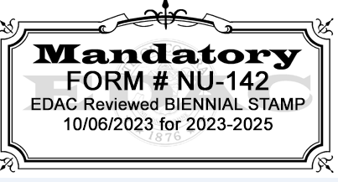

password = NPR

